Introduction
Introduction - Levelized Cost of Hydrogen (LCOH)

Overview
This workbook evaluates the Levelized Cost of Hydrogen (LCOH) for two PV-integrated hydrogen configurations serving an industrial coffee roasting application: Case 1 (30 bar low-pressure storage) and Case 2 (300 bar high-pressure storage). Technical and operational inputs originate from MATLAB/Simulink simulations and MILP optimization results. Annualized cost calculations and one-at-a-time and two-parameter sensitivity analyses are provided.
Agora Energiewende (2023)
Silva et.al. (2024)

Workbook Navigation
Economic Assumptions |  | Technical and economic assumptions
Case Inputs |  | Input data from Optimization results of the System. Case 1 represents low-pressure storage of hydrogen at 30 bar and Case 2 represents high-pressure storage of hydrogen at 300 bar.
Annualized Costs |  | Calculation of equivalent annual costs of system components, including annualized capital expenditures (CAPEX) and operating expenditures (OPEX)
LCOH |  | Cost calculations and LCOH calculations
OAT-Sensitivity |  | One-at-a-time (OAT) sensitivity analysis with ±20 % variation in base value; results interpreted in Tornado chart
OAT Scenario Curves |  | One-at-a-Time (OAT) sensitivity analysis results, illustrating the impact of individual parameter variations on LCOH across different system scenarios
Two-parameters sensitivity |  | Evaluates the combined impact of variations in electrolyzer CAPEX and hydrogen storage costs on LCOH across case 1 and 2 configurations

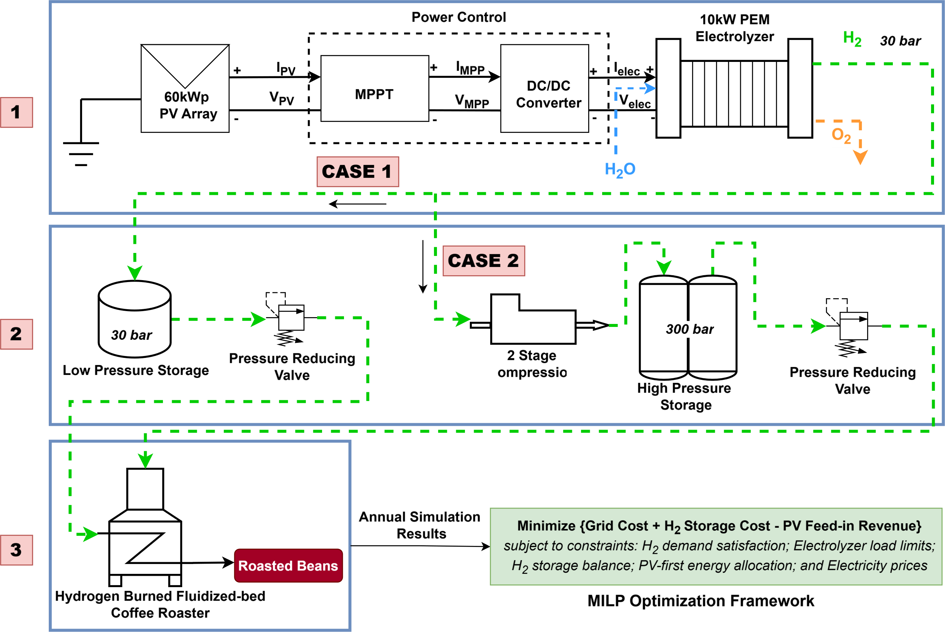
2 stage compression

 | Figure 1: Schematic diagram of integrated simulation and optimization framework used in the project for the input data

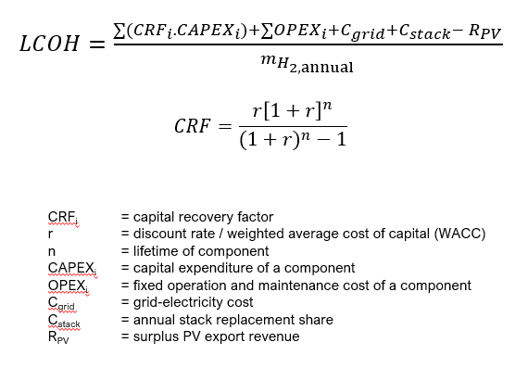

 | Figure 2: LCOH calculation formula used for economic assessment

OAT-Sensitivity
LCOH Sensitivity Analysis |  |  |  |  |  |  |  |  |  |  |  |  | Sensitivity Calculation
METHOD | One-at-a-time (OAT) |  |  |  |  |  |  |  |  |  |  |  | Case index | Annual H2 | Base total | PV CAPEX | PV life | PV O&M | ELY CAPEX | ELY life | ELY O&M | Stack share | Stack durability | Comp CAPEX | Comp life | Comp O&M | LP CAPEX | HP CAPEX | Storage life | Storage O&M | Grid cost | Grid energy | Comp energy | Rate | ELY SEC | Comp SEC
Selected case | Case 1 |  |  |  |  |  |  |  |  |  |  |  | 1 | 738.4 | 15583.985814 | 60000 | 25 | 0.05 | 60000 | 20 | 0.02 | 0.25 | 60000 | 10000 | 15 | 0.04 | 6960 | 0 | 20 | 0.01 | 2821.31 | 30640 | 0 | 0.06 | 55.52 | 1.01
Base LCOH (€/kg) | €21.11

One-at-a-Time Sensitivity Inputs and Results |  |  |  |  |  |  |  |  |  |  |  |  | Tornado Chart Data
Parameter | Unit | Base | Low | High | Low LCOH | High LCOH | Low Δ | High Δ | Lower endpoint | Range | Rank | Method | Parameter | Low Δ | High Δ | Impact
Grid electricity cost | multiplier | 1.00x | 0.80x | 1.20x | €20.34 | €21.87 | (€0.76) | €0.76 | €20.34 | €1.53 | 5 | Scale annual grid cost | Discount rate | (€2.39) | €2.59 | €4.97
PV Investment CAPEX | multiplier | 1.00x | 0.80x | 1.20x | €19.02 | €23.19 | (€2.08) | €2.08 | €19.02 | €4.17 | 2 | PV annualized CAPEX + PV O&M | Electrolyzer CAPEX | (€2.02) | €2.02 | €4.04
Electrolyzer CAPEX | multiplier | 1.00x | 0.80x | 1.20x | €19.09 | €23.12 | (€2.02) | €2.02 | €19.09 | €4.04 | 3 | ELY annualized CAPEX + O&M + stack reserve | PV Investment CAPEX | (€2.08) | €2.08 | €4.17
Compressor CAPEX | multiplier | 1.00x | 0.80x | 1.20x | €21.11 | €21.11 | - | - | €21.11 | - | 10 | Compressor annualized CAPEX + O&M | Electrolyzer lifetime | €1.28 | (€0.73) | €2.01
LP storage cost | multiplier | 1.00x | 0.80x | 1.20x | €20.92 | €21.29 | (€0.18) | €0.18 | €20.92 | €0.37 | 8 | LP annualized CAPEX + O&M | Grid electricity cost | (€0.76) | €0.76 | €1.53
HP storage cost | multiplier | 1.00x | 0.80x | 1.20x | €21.11 | €21.11 | - | - | €21.11 | - | 10 | HP annualized CAPEX + O&M | PV lifetime | €0.73 | (€0.45) | €1.18
Discount rate | % | 6.00% | 4.00% | 8.00% | €18.72 | €23.69 | (€2.39) | €2.59 | €18.72 | €4.97 | 1 | Recalculate all CRFs | Electrolyzer SEC | (€0.19) | €0.19 | €0.38
PV lifetime | years | 25.00 | 20.00 | 30.00 | €21.83 | €20.65 | €0.73 | (€0.45) | €20.65 | €1.18 | 6 | Recalculate PV CRF | LP storage cost | (€0.18) | €0.18 | €0.37
Electrolyzer lifetime | years | 20.00 | 15.00 | 25.00 | €22.39 | €20.38 | €1.28 | (€0.73) | €20.38 | €2.01 | 4 | Recalculate ELY CRF | Storage lifetime | €0.15 | (€0.08) | €0.23
Storage lifetime | years | 20.00 | 15.00 | 25.00 | €21.25 | €21.02 | €0.15 | (€0.08) | €21.02 | €0.23 | 9 | Recalculate storage CRFs | Compressor CAPEX | - | - | -
Electrolyzer SEC | kWh/kg | 55.52 | 52.74 | 58.30 | €20.91 | €21.30 | (€0.19) | €0.19 | €20.91 | €0.38 | 7 | Scale grid cost at fixed dispatch shares | HP storage cost | - | - | -
Compressor SEC | kWh/kg | 1.01 | 0.80 | 1.30 | €21.11 | €21.11 | - | - | €21.11 | - | 10 | Scale compressor-related grid energy | Compressor SEC | - | - | -

LCOH Sensitivity Tornado

 | Findings
Case 1 and 2 | 1. Discount rate has highest influence, suggests that project economics depends on financing conditions and cost of capital.
 | 2. PV CAPEX is the major driver
 | 3. Electrolyzer CAPEX is equally important

OAT Scenario Curves
Scenario Curves

Selected case | Case 1 |  |  |  |  |  |  |  |  |  |  |  |  |  |  |  |  |  |  |  | Case idx | 1
Base LCOH | €21.11 |  |  |  |  |  |  |  |  |  |  |  |  |  |  |  |  |  |  |  | Annual H2 | 738.4
 |  |  |  |  |  |  |  |  |  |  |  |  |  |  |  |  |  |  |  |  | Base net annual system cost | 15583.985814
Electrolyzer CAPEX |  |  |  | PV CAPEX |  |  |  |  | Electrolyzer SEC Curve |  |  |  | Discount Rate |  |  |  | Grid Cost Curve |  |  |  | Base total grid cost | 2821.31
Multiplier | LCOH | Change | Selected Case | Multiplier | LCOH | Change | Selected Case |  | ELY SEC (kWh/kg) | LCOH | Change | Selected case | Rate | LCOH | Change | Selected case | Multiplier | LCOH | Change | Selected case | Base net LCOH | 21.105072879
0.5 | €17.56 | (€3.54) | Case 1 | 0.5 | €17.93 | (€3.18) | Case 1 |  | 50 | €20.77 | (€0.34) | Case 1 | 3% | €17.60 | (€3.50) | Case 1 | 0.5 | €19.19 | (€1.91) | Case 1 | Grid Cost - Electrolyzer | 2505.73
0.6 | €18.27 | (€2.83) | Case 1 | 0.6 | €18.56 | (€2.54) | Case 1 |  | 52 | €20.89 | (€0.22) | Case 1 | 3.60% | €18.26 | (€2.84) | Case 1 | 0.6 | €19.58 | (€1.53) | Case 1
0.7 | €18.98 | (€2.13) | Case 1 | 0.7 | €19.20 | (€1.91) | Case 1 |  | 54 | €21.01 | (€0.09) | Case 1 | 4.20% | €18.95 | (€2.16) | Case 1 | 0.7 | €19.96 | (€1.15) | Case 1
0.8 | €19.69 | (€1.42) | Case 1 | 0.8 | €19.83 | (€1.27) | Case 1 |  | 55.52 | €21.11 | - | Case 1 | 4.80% | €19.65 | (€1.46) | Case 1 | 0.8 | €20.34 | (€0.76) | Case 1
0.9 | €20.40 | (€0.71) | Case 1 | 0.9 | €20.47 | (€0.64) | Case 1 |  | 57 | €21.20 | €0.09 | Case 1 | 5.40% | €20.37 | (€0.74) | Case 1 | 0.9 | €20.72 | (€0.38) | Case 1
1 | €21.11 | - | Case 1 | 1 | €21.11 | - | Case 1 |  | 59 | €21.32 | €0.21 | Case 1 | 6% | €21.11 | - | Case 1 | 1 | €21.11 | - | Case 1
1.1 | €21.81 | €0.71 | Case 1 | 1.1 | €21.74 | €0.64 | Case 1 |  | 61 | €21.44 | €0.33 | Case 1 | 6.60% | €21.86 | €0.76 | Case 1 | 1.1 | €21.49 | €0.38 | Case 1
1.2 | €22.52 | €1.42 | Case 1 | 1.2 | €22.38 | €1.27 | Case 1 |  |  |  |  |  | 7.20% | €22.63 | €1.53 | Case 1 | 1.2 | €21.87 | €0.76 | Case 1
1.3 | €23.23 | €2.13 | Case 1 | 1.3 | €23.01 | €1.91 | Case 1 |  |  |  |  |  | 7.80% | €23.42 | €2.32 | Case 1 | 1.3 | €22.25 | €1.15 | Case 1
Electrolyzer SEC vs LCOH
1.4 | €23.94 | €2.83 | Case 1 | 1.4 | €23.65 | €2.54 | Case 1 |  |  |  |  |  | 8.40% | €24.23 | €3.12 | Case 1 | 1.4 | €22.63 | €1.53 | Case 1
1.5 | €24.65 | €3.54 | Case 1 | 1.5 | €24.28 | €3.18 | Case 1 |  |  |  |  |  | 9.00% | €25.05 | €3.94 | Case 1 | 1.5 | €23.02 | €1.91 | Case 1

Electrolyzer CAPEX vs LCOH
Grid Cost vs LCOH

 |  |  |  |  |  |  |  | System economics is not highly sensitive to electrolyzer efficiency.

 |  |  |  |  |  |  |  |  |  |  |  |  |  |  |  |  | At 50% reduction in electricity cost, LCOH reduces by 1.9eur/kg.
Electrolyzer CAPEX infuence is higher and linear |  |  |  |  |  |  |  |  |  |  |  |  |  |  |  |  | Electricity price has stronger influence on LCOH than SEC.

 |  |  |  |  |  |  |  |  |  |  |  |  |  |  |  |  | But not all the time.
 |  |  |  |  |  |  |  |  |  |  |  |  |  |  |  |  | If electricity becomes expensive, electrolyzer can operate differently looking at the price hour, PV utilization could change, storage usage could change (we can opt for more storage than required). This will ultimately make grid cost vs LCOH non- linear
 |  |  |  | Case | Factor | PV CAPEX | Electrolyzer CAPEX | Grid Cost | Discount Rate
 |  |  |  | Case 1 | 0.5 | €17.93 | €17.56 | €19.19 | €17.60
 |  |  |  | Case 1 | 0.6 | €18.56 | €18.27 | €19.58 | €18.26
 |  |  |  | Case 1 | 0.7 | €19.20 | €18.98 | €19.96 | €18.95
 |  |  |  | Case 1 | 0.8 | €19.83 | €19.69 | €20.34 | €19.65
 |  |  |  | Case 1 | 0.9 | €20.47 | €20.40 | €20.72 | €20.37
 |  |  |  | Case 1 | 1 | €21.11 | €21.11 | €21.11 | €21.11
 |  |  |  | Case 1 | 1.1 | €21.74 | €21.81 | €21.49 | €21.86
 |  |  |  | Case 1 | 1.2 | €22.38 | €22.52 | €21.87 | €22.63
 |  |  |  | Case 1 | 1.3 | €23.01 | €23.23 | €22.25 | €23.42
 |  |  |  | Case 1 | 1.4 | €23.65 | €23.94 | €22.63 | €24.23
 |  |  |  | Case 1 | 1.5 | €24.28 | €24.65 | €23.02 | €25.05

